Sheet1
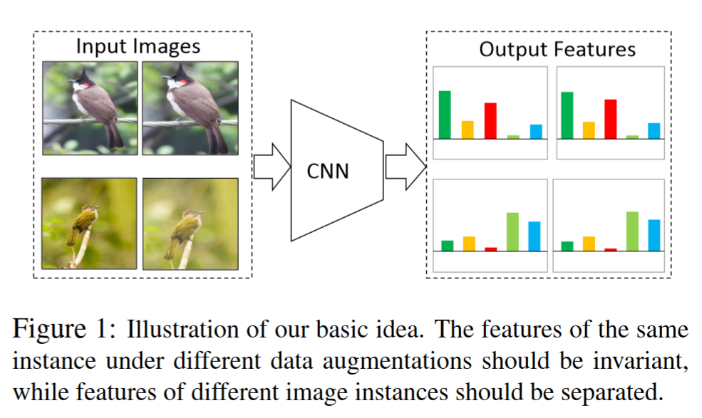
title | Unsupervised Embedding Learning via Invariant and Spreading Instance Feature
points | The features of the same instance under different data augmentations should be invariant, while features of different image instances should be separated.
 | an end2end method
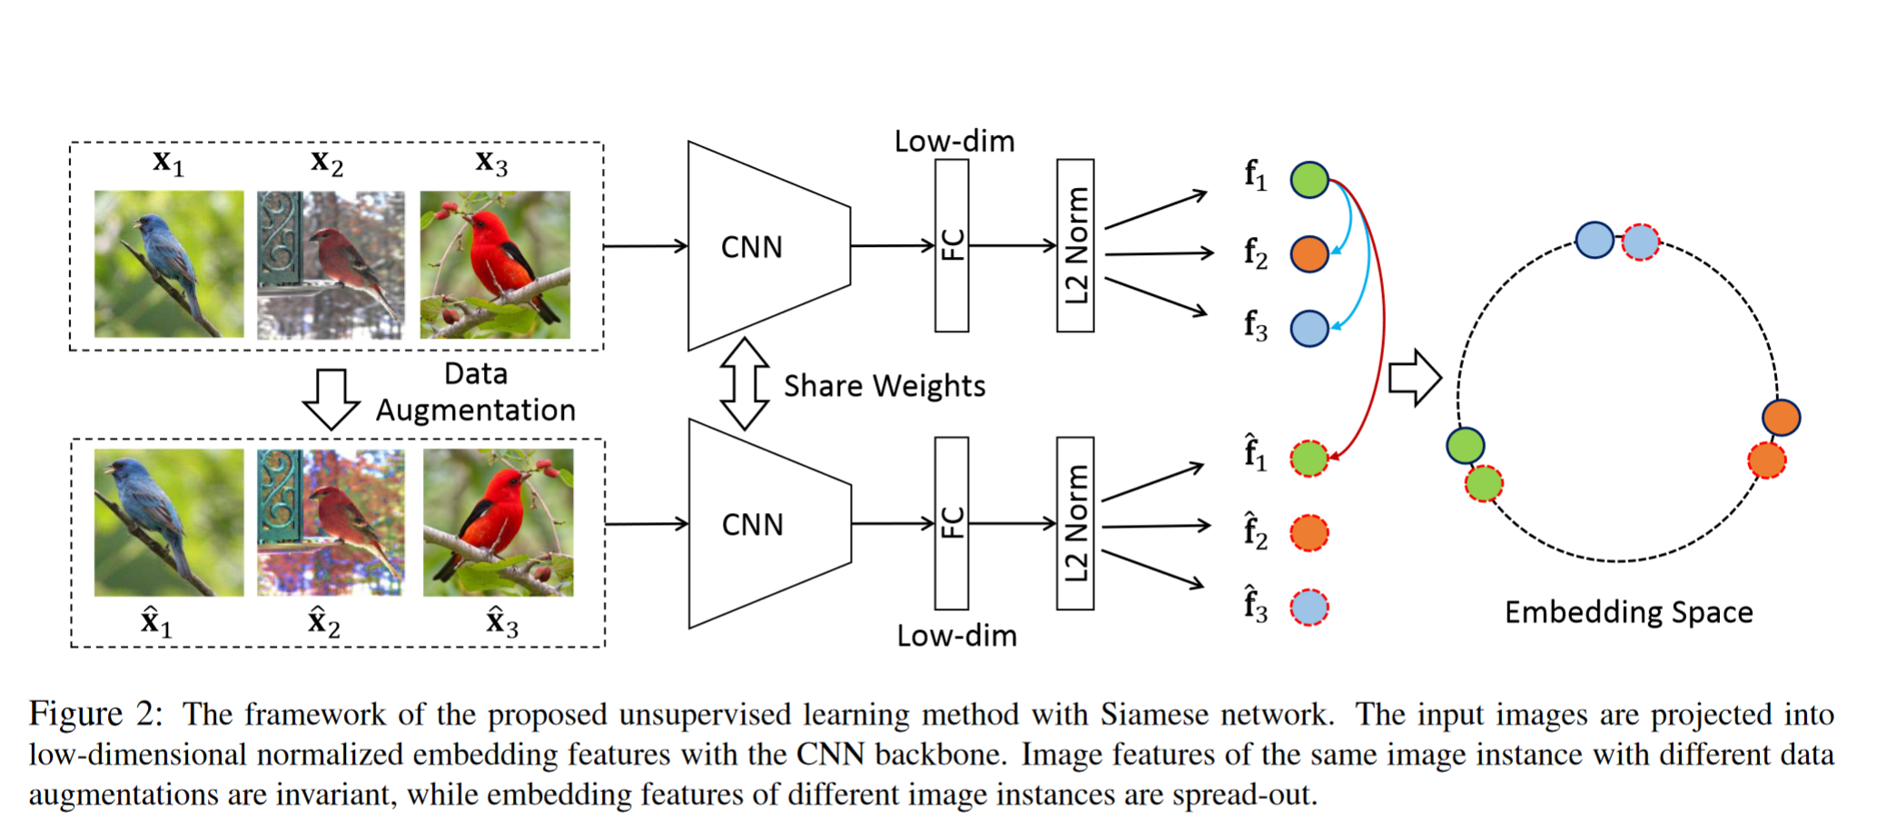
 | only one encoder
 | the positive and negative samples come from the same mini-batch
 | limit with the dictionary size

